清货数据
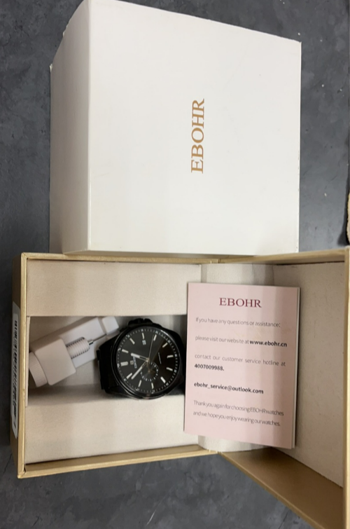
Product Name | Product Link | FnSku | Size | Product Picture | Quantity | Size and Weighgt
Watch | https://www.amazon.com/gp/product/B0CB8FX4QF | X003VU0IK9 | 41.5mm watch case 10.6mm watch case thickness 20mm wide solid 316L.steel bracelet | 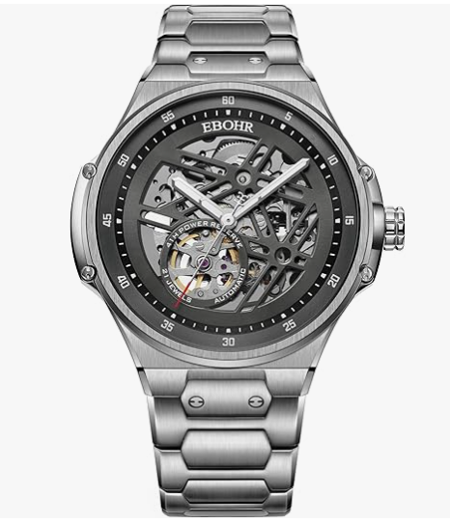 | 8 | Package size： 11x11x8.8 cm/pcs Package weight：0.5kg
Watch | https://www.amazon.com/gp/product/B0CB8FWC13 | X003VU0IQD | 43mm watch case 11.2mm watch case thickness 22mm wide genuine leather band | 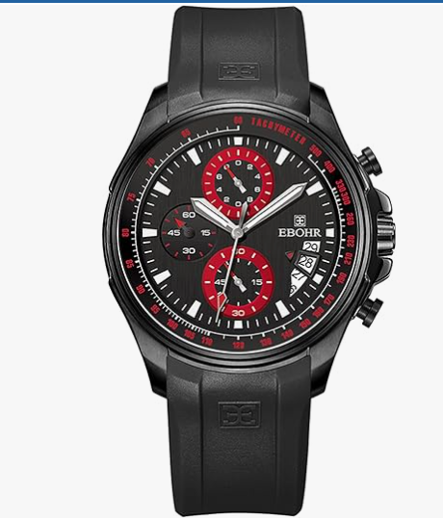 | 12 | Package size： 11x11x8.8 cm/pcs Package weight：0.5kg
Watch | https://www.amazon.com/gp/product/B0CB8H34CN | X003VU0IUT | 33mm watch case 10.9mm watch case thickness 14mm wide solid 316L.steel bracelet | 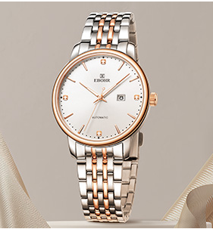 | 1 | Package size： 11x11x8.8 cm/pcs Package weight：0.5kg
Watch | https://www.amazon.com/gp/product/B0CB8J7XSK | X003VU0JOT | 43mm watch case 11.4mm watch case thickness 20mm wide solid 316L.steel bracelet | 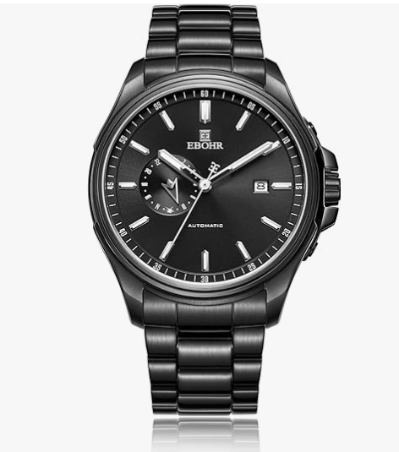 | 37 | Package size： 11x11x8.8 cm/pcs Package weight：0.5kg
Watch | https://www.amazon.com/gp/product/B0CB8FLRZK | X003VU0JPX | 41.5mm watch case 10.6mm watch case thickness 19mm wide cowhide strap | 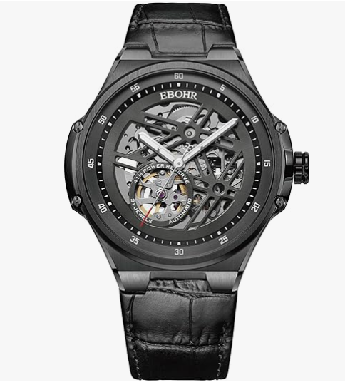 | 6 | Package size： 11x11x8.8 cm/pcs Package weight：0.5kg
Watch | https://www.amazon.com/dp/B0CB8K5LHG | X003VU0KED | 43mm watch case 11.2mm watch case thickness 22mm wide genuine leather band | 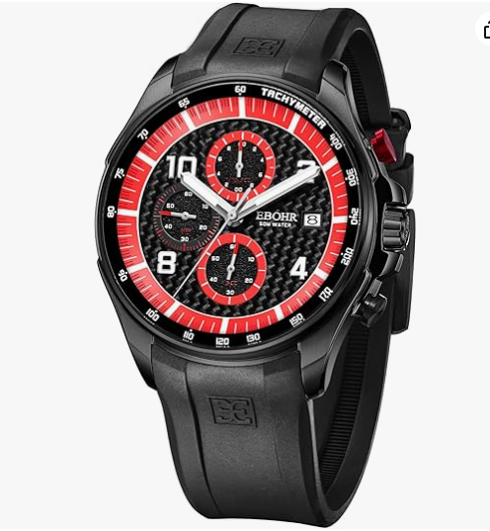 | 14 | Package size： 11x11x8.8 cm/pcs Package weight：0.5kg
Watch | https://www.amazon.com/dp/B0CP29GCGR | X0041W2KAR | 30mm watch case 6mm watch case thickness 19.5mm band | 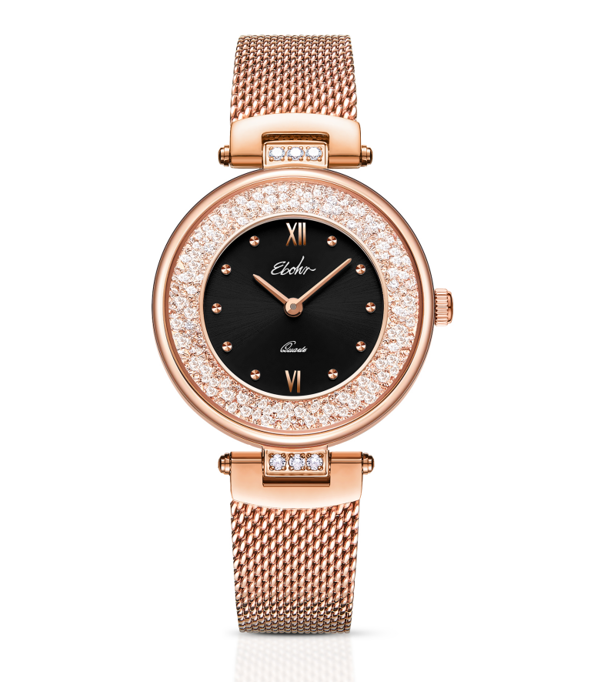 | 34 | Package size： 11x11x8.8 cm/pcs Package weight：0.5kg
Watch | https://www.amazon.com/dp/B0CP28GF9G | X0041W67OR | 30mm watch case 6mm watch case thickness 21.3mm band | 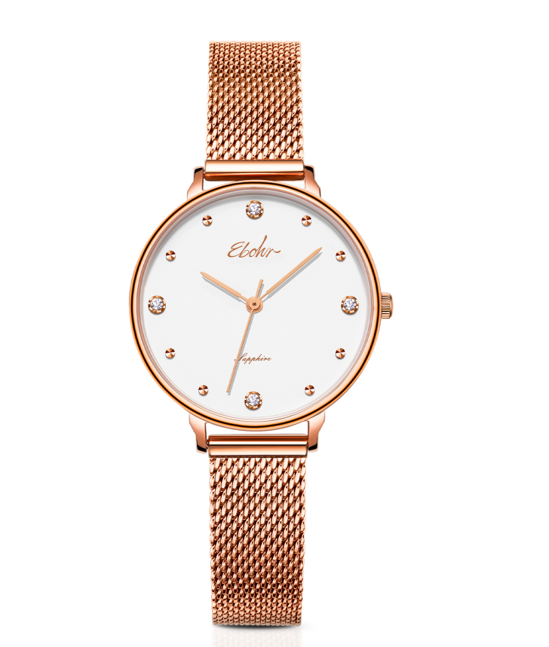 | 86 | Package size： 11x11x8.8 cm/pcs Package weight：0.5kg
Watch | https://www.amazon.com/dp/B0CP29R2WF | X0041W6DVT | 30mm watch case 6mm watch case thickness 19.5mm band | 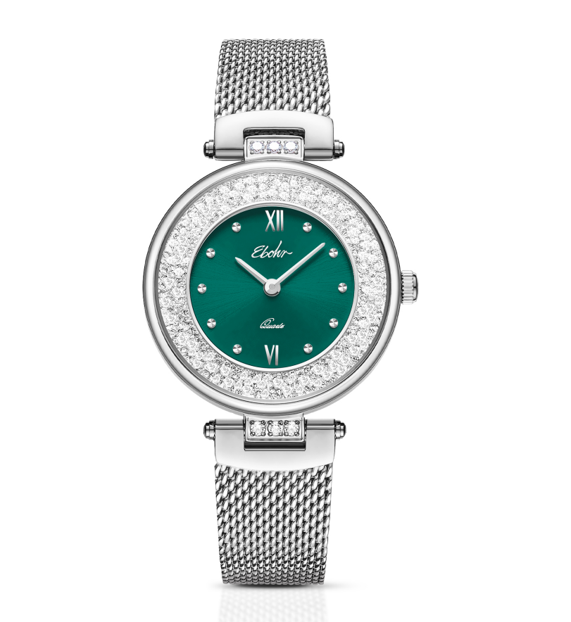 | 47 | Package size： 11x11x8.8 cm/pcs Package weight：0.5kg
Watch | https://www.amazon.com/dp/B0CZ6YSGJL | X0046K8S1J | 30mm watch case 6mm watch case thickness 19.5mm wide 316L.steel bracelet | 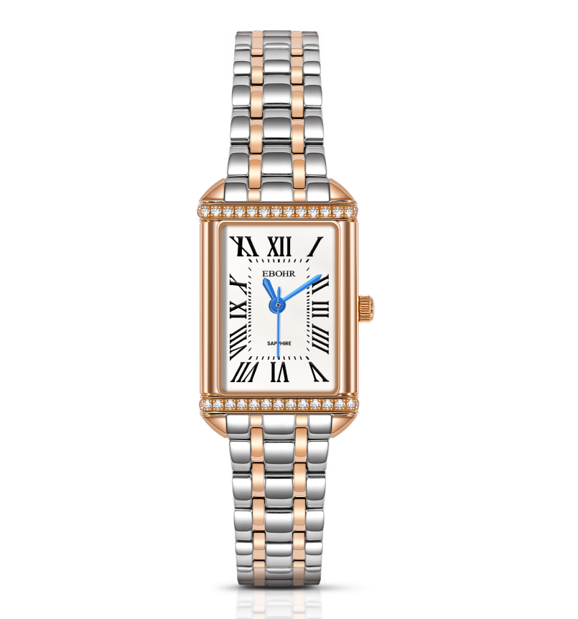 | 28 | Package size： 11x11x8.8 cm/pcs Package weight：0.5kg
Watch | https://www.amazon.com/dp/B0CZ7581VF | X0046KKJ7F | 30mm watch case 6mm watch case thickness 19.5mm wide 316L.steel bracelet | 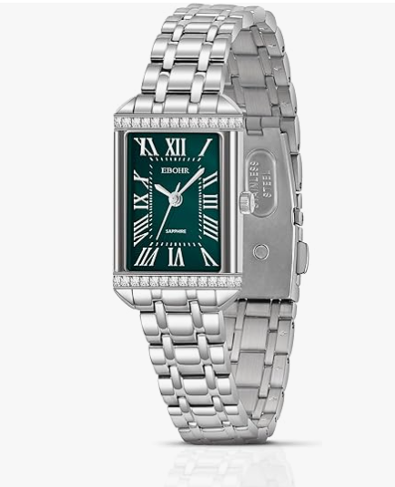 | 21 | Package size： 11x11x8.8 cm/pcs Package weight：0.5kg
Watch | https://www.amazon.com/dp/B0CB8DNBT1 | X003VTX7X5 | 30*22mm watch case 12mm watch case thickness 12mm wide strap | 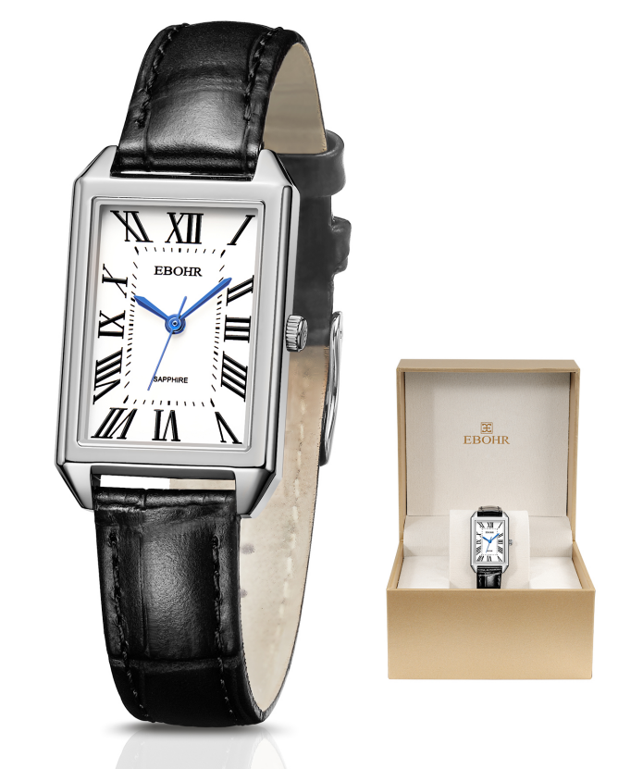 | 1 | Package size： 11x11x8.8 cm/pcs Package weight：0.5kg
Watch | https://www.amazon.com/dp/B0CP297757 | X0041W2KAH | 30mm watch case 6mm watch case thickness 19.5mm wide 316L.steel bracelet | 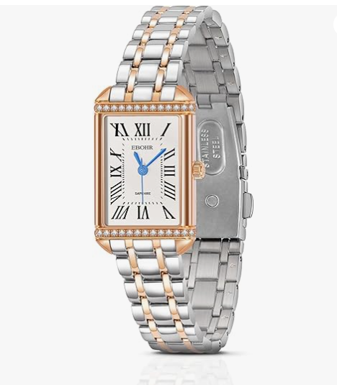 | 35 | Package size： 11x11x8.8 cm/pcs Package weight：0.5kg
Watch | https://www.amazon.com/dp/B0D7ZWN9P6 | X004BB0YHT | 27.7*17.5mm watch case 6.4mm watch case thickness 15mm wide 316L.steel bracelet | 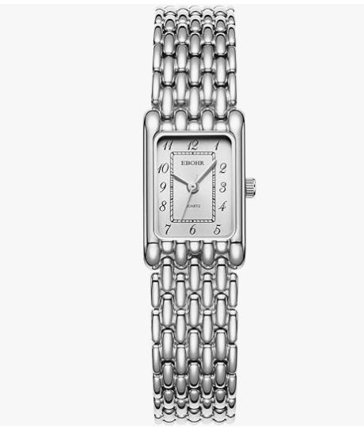 | 1 | Package size： 11x11x8.8 cm/pcs Package weight：0.5kg
Watch | https://www.amazon.com/dp/B0CB8F9954 | X003VTX7G7 | 41.5mm watch case 7.15mm watch case thickness 18mm wide strap | 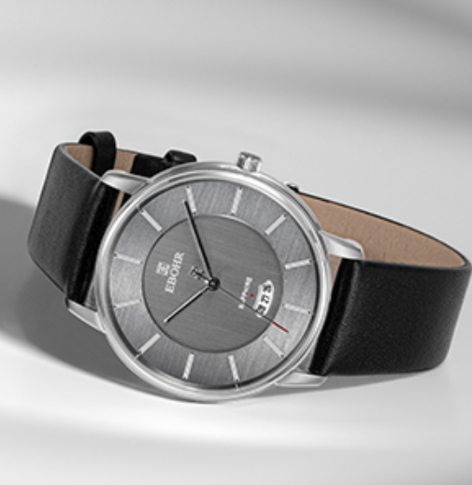 | 25 | Package size： 11x11x8.8 cm/pcs Package weight：0.5kg | MARKED IN RED LINKS ARE NOT WORKING
Watch | https://www.amazon.com/dp/B0CB88TYG2 | X003VTRPWT | 40mm watch case 7.15mm watch case thickness 18mm wide 316L.steel bracelet | 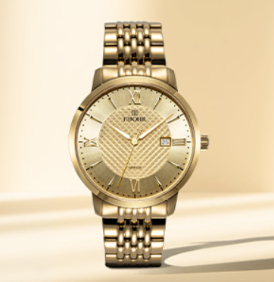 | 16 | Package size： 11x11x8.8 cm/pcs Package weight：0.5kg
Watch | https://www.amazon.com/dp/B0CB8FZ9XJ | X003VTS8G1 | 30mm watch case 8.9mm watch case thickness 13mm wide 316L.steel bracelet | 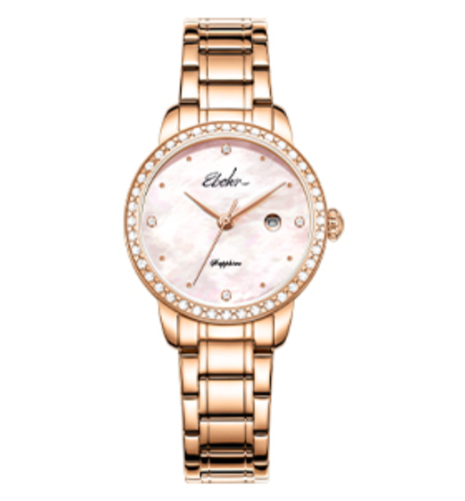 | 4 | Package size： 11x11x8.8 cm/pcs Package weight：0.5kg
Watch | https://www.amazon.com/dp/B0CB8FYTVP | X003VTS8HP | 27.7mm watch case 7mm watch case thickness 11mm wide 316L.steel bracelet | 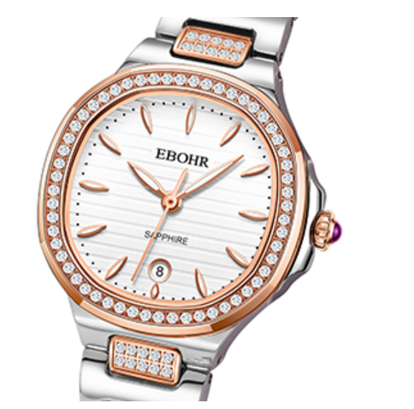 | 5 | Package size： 11x11x8.8 cm/pcs Package weight：0.5kg
Watch | https://www.amazon.com/dp/B0CB8F1MWC | X003VTY96J | 29mm watch case 6.6mm watch case thickness 9mm wide 316L.steel bracelet | 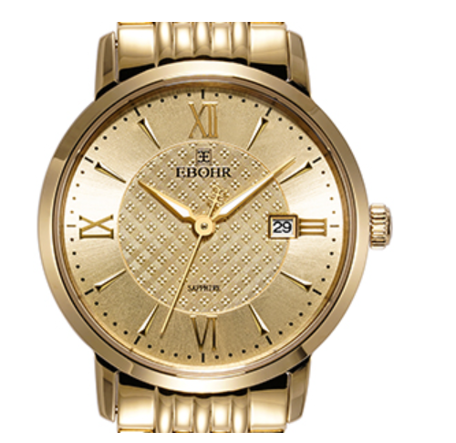 | 17 | Package size： 11x11x8.8 cm/pcs Package weight：0.5kg
Watch | https://www.amazon.com/dp/B0CB8H696W | X003VU0IOP | 29mm watch case 7.7mm watch case thickness 13mm wide 316L.steel bracelet | 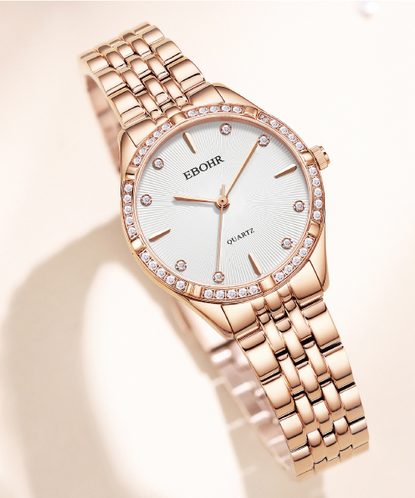 | 9 | Package size： 11x11x8.8 cm/pcs Package weight：0.5kg
Watch | https://www.amazon.com/dp/B0CB8DVWRK | X003VU0JSF | 27.7mm watch case 7mm watch case thickness 11mm wide 316L.steel bracelet |  | 2 | Package size： 11x11x8.8 cm/pcs Package weight：0.5kg
Watch | https://www.amazon.com/dp/B0CB8FDT4Y | X003VU0JSZ | 27.7mm watch case 7mm watch case thickness 11mm wide 316L.steel bracelet |  | 3 | Package size： 11x11x8.8 cm/pcs Package weight：0.5kg
Watch | https://www.amazon.com/dp/B0CB8GFG1W | X003VU0JYT | 29mm watch case 6.5mm watch case thickness 11mm wide strap |  | 18 | Package size： 11x11x8.8 cm/pcs Package weight：0.5kg
Watch | https://www.amazon.com/dp/B0CP28J455 | X0041W2IHR | 22.5mm watch case 5mm watch case thickness 19.2mm wide 316L.steel bracelet | 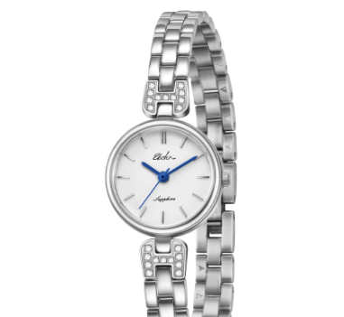 | 22 | Package size： 11x11x8.8 cm/pcs Package weight：0.5kg
Watch | https://www.amazon.com/dp/B0CP29W1M3 | X0041W2IIB | 20mm watch case 6mm watch case thickness 19.8mm wide 316L.steel bracelet | 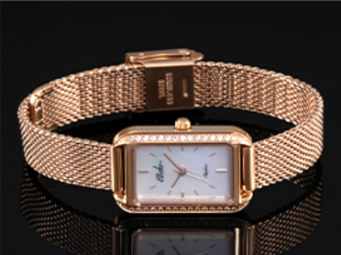 | 26 | Package size： 11x11x8.8 cm/pcs Package weight：0.5kg
Watch | https://www.amazon.com/dp/B0CP2B4JFK | X0041W6DV9 | 30mm watch case 6mm watch case thickness 19.5mm wide 316L.steel bracelet | 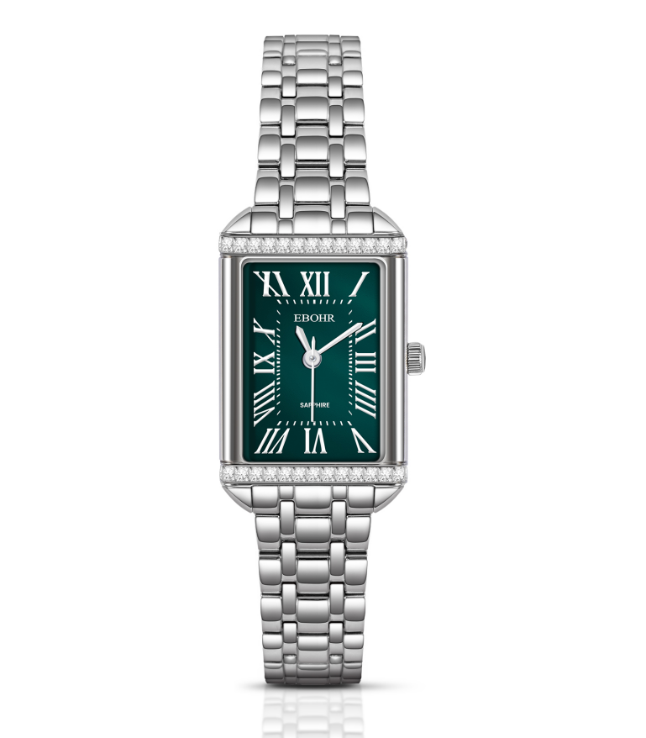 | 35 | Package size： 11x11x8.8 cm/pcs Package weight：0.5kg
Watch | https://www.amazon.com/dp/B0CB8H8CYK | X003VU0IV3 | 30mm watch case 6.4mm watch case thickness 19mm wide strap | 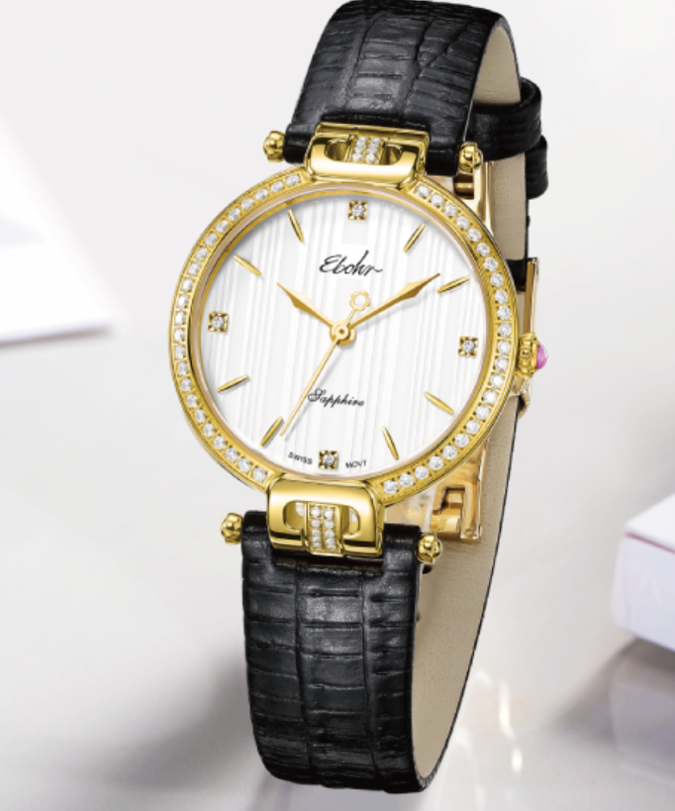 | 14 | Package size： 11x11x8.8 cm/pcs Package weight：0.5kg
 |  |  |  |  | 527

